Sheet1
 |  |  |  |  |  |  | PlantIDTray | QTYTray | PlantID300 | QTY300 | PlantID1g | QTY1g | PlantID2g | QTY2g | PlantID3g | QTY3g

2025 Wilder Color List!
Matt's cell: 860.867.6879 office: 860.434.0822 Fax: 860.434.1964 email: mail@judgesfarm.com
Minimum for delivery is $500.--
May be combined with perennials & herbs to meet minimum!
Please order by noon for delivery as soon as THE NEXT DAY! (routes permitting)

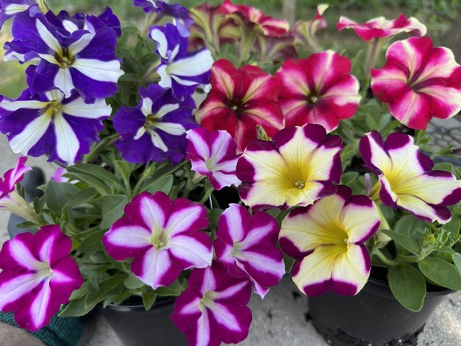
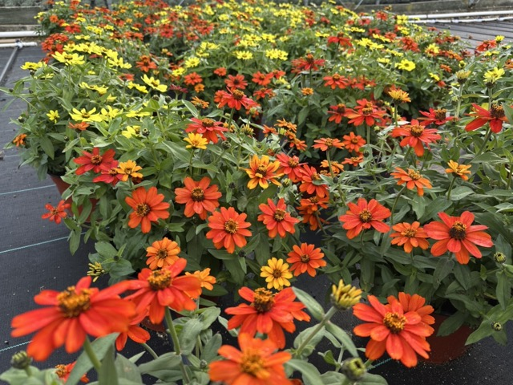
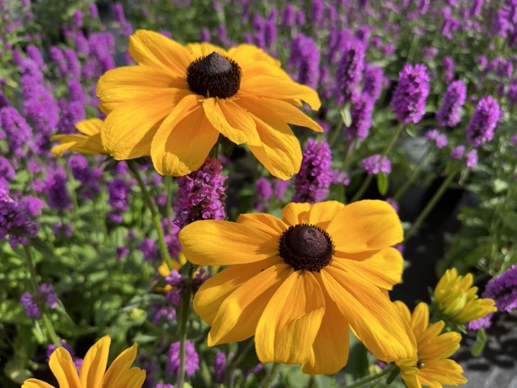

Select 9" Plants:
Flashing our pot crop chops with select series of Celosia, Marigolds, Cabbages, Millets, Rudbeckias and Zinnias, look out below cuz these babies are the bomb!
Variety | Description: | Annual /Perennial | b/bb, bud/bud&bloom | Order # (ea.) | Price (ea.) | Ready Date
1gal. Clematis virginiana | Virgin's bower, native perennial vine replacing the invasive C. paniculata. White fuzzy blooms in August, vigorous! | P, z.4-9 |  |  | $12.99 | 7/1 | 2928
1gal. Pennisetum 'Rubrum' | Tried and true, rich burgundy foliage on this red annual fountain grass, fuzzy rosy blooms all summer, to 24" tall. | Annual |  |  | $6.59 | 7/1 | 620
9" Celosia 'Intenz Dark Purple' | Conical scarlet plumes last from summer to late fall. Loves sun and humid weather, 18"t x 12"w | Annual |  |  | $4.49 | 7/1 | 2820
9" Marigold, 'Durango Mix' | Mix of reds, yellows and oranges in one full pot, for fall pizazz! | Annual |  |  | $3.69 | 7/1 | 2492
9" Marigold, 'Little Hero Fire' | Double flowers with fiery red centers, petals edged in golden yellow. Compact to 6" t&w. | Annual |  |  | $3.69 | 7/1 | 3340
9" Salvia 'Mysty' | Electric cobalt-blue flower spikes that attract hummingbirds in droves. 18"t&w. | Annual |  |  | $4.49 | 7/1 | 2831
9" Zinnia 'Zahara Bonfire Mix' | Autumnal mix of orange, yellow, and red flowers on upright stems over tightly mounding foliage. | Annual |  |  | $3.69 | 7/1 | 3108
9" Zinnia 'Zahara Sunburst' | Red streaks down the center of each petal, fanning outward into flame-like orange. 12"t&w. | Annual |  |  | $3.69 | 7/1 | 2809
2gal. Pennisetum 'Rubrum' | Tried and true, rich burgundy foliage on this red annual fountain grass, fuzzy rosy blooms all summer, to 24" tall. | Annual |  |  | $8.79 | 7/15 | 931
9" Rudbeckia 'Toto Gold' | Rich Gold petals surrounding a dark eye. Compact to 12" tall & wide. | Annual |  |  | $3.99 | 7/15 | 3341
9" Rudbeckia 'Toto Rustic' | Brilliant petals in mahogany and yellow, meeting at a mocha-colored cone. Compact to 10" tall and wide. | Annual |  |  | $3.99 | 7/15 | 2968
12" Cool Combo Planter | Cool it down with a softer selection in shades of blue, violet, and white/silver with selections such as Dusty Miller, Calis and Petunias, Lobelia, Vinca or Verbena for starters! | Annual |  |  | $11.99 | 8/1 | 1810
12" Hot Combo Planter | A fantastical mix of bright seasonal colors for a sunny spot. Think Petunias, Calis, Marigold, and Sweet Potato Vine… | Annual |  |  | $11.99 | 8/1 | 1812
1gal. Iris e. 'Variegata' | White-and-green variegated Japanese Iris, to 30" tall, GREAT for fall containers and displays! | Annual |  |  | $7.09 | 8/1 | 546
2gal. Clematis virginiana | Virgin's bower, native perennial vine replacing the invasive C. paniculata. White fuzzy blooms in August, vigorous! | P, z.4-9 |  |  | $14.99 | 8/1 | 3678
9" Millet 'Jade Princess' | Broad green foliage contrasts magically with thick russet spires in summer. | Annual |  |  | $3.99 | 8/1 | 2146
9" Millet 'Purple Baron' | Rich purple compact stalks with dense heads to 18" tall. | Annual |  |  | $3.99 | 8/1 | 2144
9" Cabbage, 'Osaka Pink' | Ornamental Cabbage, (sun/shade). Wavy, pink and green foliage, early heads, growing to 12" t & w. | Annual |  |  | $3.69 | 8/15 | 2134
9" Cabbage, 'Osaka Red' | Ornamental Cabbage, (sun/shade). Wavy, red and green foliage, early heads, growing to 12" t & w. | Annual |  |  | $3.69 | 8/15 | 2135
9" Kale 'Redbor' | Frilly red and purple foliage branches off sturdy stalks to 24" tall. Great centerpiece to fall displays. | Annual |  |  | $3.69 | 8/15 | 2491
9" Kale, 'Glamour Red' | Shiny, heavily fringed rosettes with red center, 12in | Annual |  |  | $3.69 | 8/15 | 2154
9" Kale, 'Nagoya White' | Replaces Cabbage Osaka White. Frilly and frosty white and green foliage. | Annual |  |  | $3.69 | 8/15 | 1985
9" Kale, 'Peacock Red' | Super feathered foliage, plants show rose red centers with outer foliage trending to purple, 10" t&w. | Annual |  |  | $3.69 | 8/15 | 1079
9" Kale, 'Peacock White' | Super feathered foliage, plants show white centers with blue-green outer foliage, 10" t&w. | Annual |  |  | $3.69 | 8/15 | 1080
1gal. Rosemary 'Tuscan Blue' | Nice full upright rosemary, fleshy green culinary foliage. | tender |  |  | $7.09 | 9/3 | 660

Premium QUART SELECTIONS: trays of 8, 4" round pots:
Here the offerings get truly special with a mix of mainly perennials and grasses geared to look great in fall pots, gardens and boxes. And the price is still great, with a big Wilder Color picture tag to steer your customers on their way from bench, to cart, to register!
Variety | Description: | A/P | b/bb, bud/bud&bloom | Order # (flts) | Price (ea.) | Ready Date
Items highlighted in GREEN are native selections |  |  |  |  |  |  | 3185
Agastache 'Kudos Coral' | Bright coral pink blooms adorn sturdy stems to 15" tall, aromatic foliage too! | P, z.5-10 |  |  | $2.79 | 7/1 | 3185
Agastache 'Kudos Gold' | Aromatic foliage with dark golden-yellow spires all summer. Attractive to pollinators. Compact to 12" t&w. | P, z.5-10 |  |  | $2.79 | 7/1 | 3152
Agastache 'Kudos Mandarin' | A fiery orange-spired pollinator favorite with aromatic foliage that is sweetly reminiscent of root beer. Grows to 12" t&w. | P, z.5-10 |  |  | $2.79 | 7/1 | 3053
Agastache 'Little Adder' | New compact form reaching just 18", great branching, deep purple, z5-9. | P, z.5-9 |  |  | $2.79 | 8/1 | 1735
Ageratum 'Aloha Blue' | Striking mounds of fuscia-blue fuzzy blooms, grow to 12" high and 10" wide. | Annual |  |  | $2.79 | 6/15 | 2473
Ajuga 'Black Scallop' | Deepest mahogany foliage, crinkly and shiny, too! Blue bugles in spring, 5" tall with blooms and spreading. | P, z.4-9 |  |  | $2.79 | 7/1 | 2313
Ajuga 'Burgundy Glow' | Bugleweed, tricolor foliage in purple, pink and white, hot violet blooms, 4" tall and spreading. | P, z.4-9 |  |  | $2.79 | 7/1 | 2314
Allium cernuum | Northeast native Ornamental Chives - Drooping purple flower clusters, self sows, to 12x6" t&w. | P, z.4-8 |  |  | $3.79 | 8/15 | 1681
Artemisia 'Silver Brocade' | Soft silvery lobed foliage similar to Dusty Miller, lovely in rock gardens. Forms mats 6" x 30" t&w. | P, z.3-9 |  |  | $2.79 | 7/1 | 2648
Aster | Believer - single purple, long bloomer. | P, z.5-9 |  |  | $2.49 | 8/15 | 1122
Aster | Henry I - Early Blue | P, z.5-9 |  |  | $2.49 | 8/15 | 1124
Aster | Henry I - Early Pink | P, z.5-9 |  |  | $2.49 | 8/15 | 1125
Aster | Henry I - Early Purple | P, z.5-9 |  |  | $2.49 | 8/15 | 1126
Aster | Henry lll Pink - Late double pink,long-lasting double rich pink blooms thx to cool weather bloom time. | P, z.5-9 |  |  | $2.49 | 9/1 | 1822
Aster | Henry lll Purple - Late double purple, lasting well into November! | P, z.5-9 |  |  | $2.49 | 9/1 | 1127
Aster | Puff White, delectably double pure white blooms. | P, z.5-9 |  |  | $2.49 | 8/15 | 1304
Bidens 'Namid Compact Yellow' | Cheery golden coreopsis-like flowers spill and chill over glossy cut-leaf foliage. Neat and tidy, well into the fall. 6x12" t&w. | Annual |  |  | $2.79 | 6/15 | 3273
Bidens 'Namid Red Yellow Eye' | Small but profuse coreopsis-like flowers with distinct two-tone petals, yellow in the center and red towards each tip. 6x12" t&w. | Annual |  |  | $2.79 | 6/15 | 3092
Bidens 'White Delight Improved' | Bright white starry blooms with tight yellow eye, great for drifting, containers and boxes. Trailing to 15" wide. | Annual |  |  | $2.79 | 6/15 | 3274
Buddleia 'Buzz Hot Raspberry' | Dwarf Butterfly Bush: Compact gray-green foliage with large brush-like dark pink flower spikes, well into fall. Butterfly magnet. | P, z.5-9 |  |  | $2.79 | 6/23 | 3031
Cabbage, 'Osaka Pink' | Ornamental Cabbage, (sun/shade). Wavy, pink and green foliage, early heads, growing to 6" t & w. | Annual |  |  | $2.49 | 8/15 | 1816
...

